Coversheet
WKS Technical Standard Verification / Validation
Tech Standard No |  | KS-PR-CAL-0089 V AND V |  | Page | 1 | of
Tech Standard Title |  | Vibration Assessment - Cavitation & Flashing Calculation V and V
Elec file location |  | https://worleyparsons-my.sharepoint.com/personal/jayaraman_elumalai_worley_com/Documents/Jay project/Phase-2/Calculation/23.01.2024/KS-PR-CAL-0089/KS-PR-CAL-0089 Vibration Assessment - Cavitation & Flashing Calculation V and V.xlsx

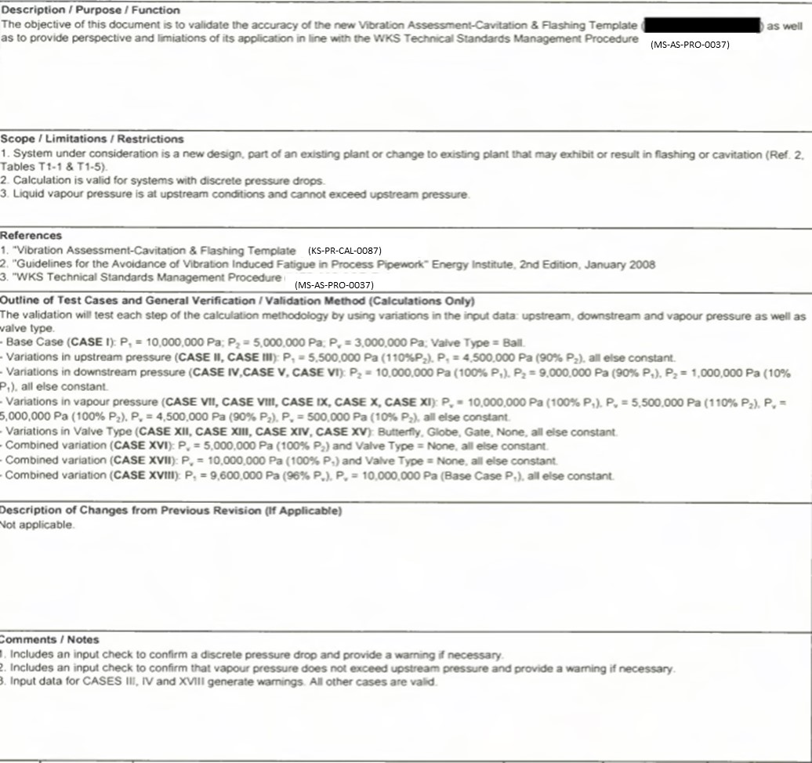
Description / Purpose / Function

Scope / Limitations / Restrictions

References

Outline of Test Cases and General Verification / Validation Method (Calculations Only)

Description of Changes from Previous Revision (If Applicable)

Comments / Notes

Rev | Date | Description | Originator | Checker |  | Approver

